summary
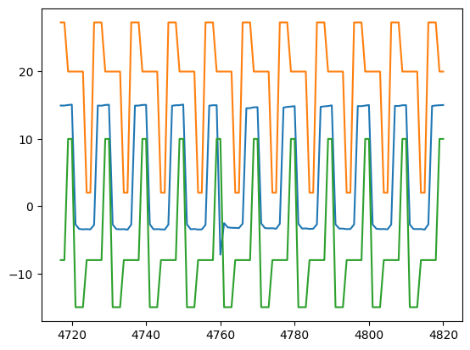
SignalDetect | Glitches Detected | RowDetected
DUT7_Gate_A_Signal | Yes | [477]

